Sheet1
Name: Sirshak Sarkar | VTF ID : 1377350 | Number of Tests: | Platform: Win 11 VM Enterprise 21H2 Build ver.22000.593 | Successful Tests : | Failed Tests :
Task: W2AT1 |  | 131 |  | 116 | 15

Atomic Tactics | Technique Name | Atomic Code | Atomic Procedure | Does it Work (Y/N) |  | FIN6 ART Test Log Screenshot (Tests in the VTF Powershell Script)
Initial Access | Default Accounts | T1078.001-1 | Enable Guest account with RDP capability and admin privileges [windows] | Y |  | 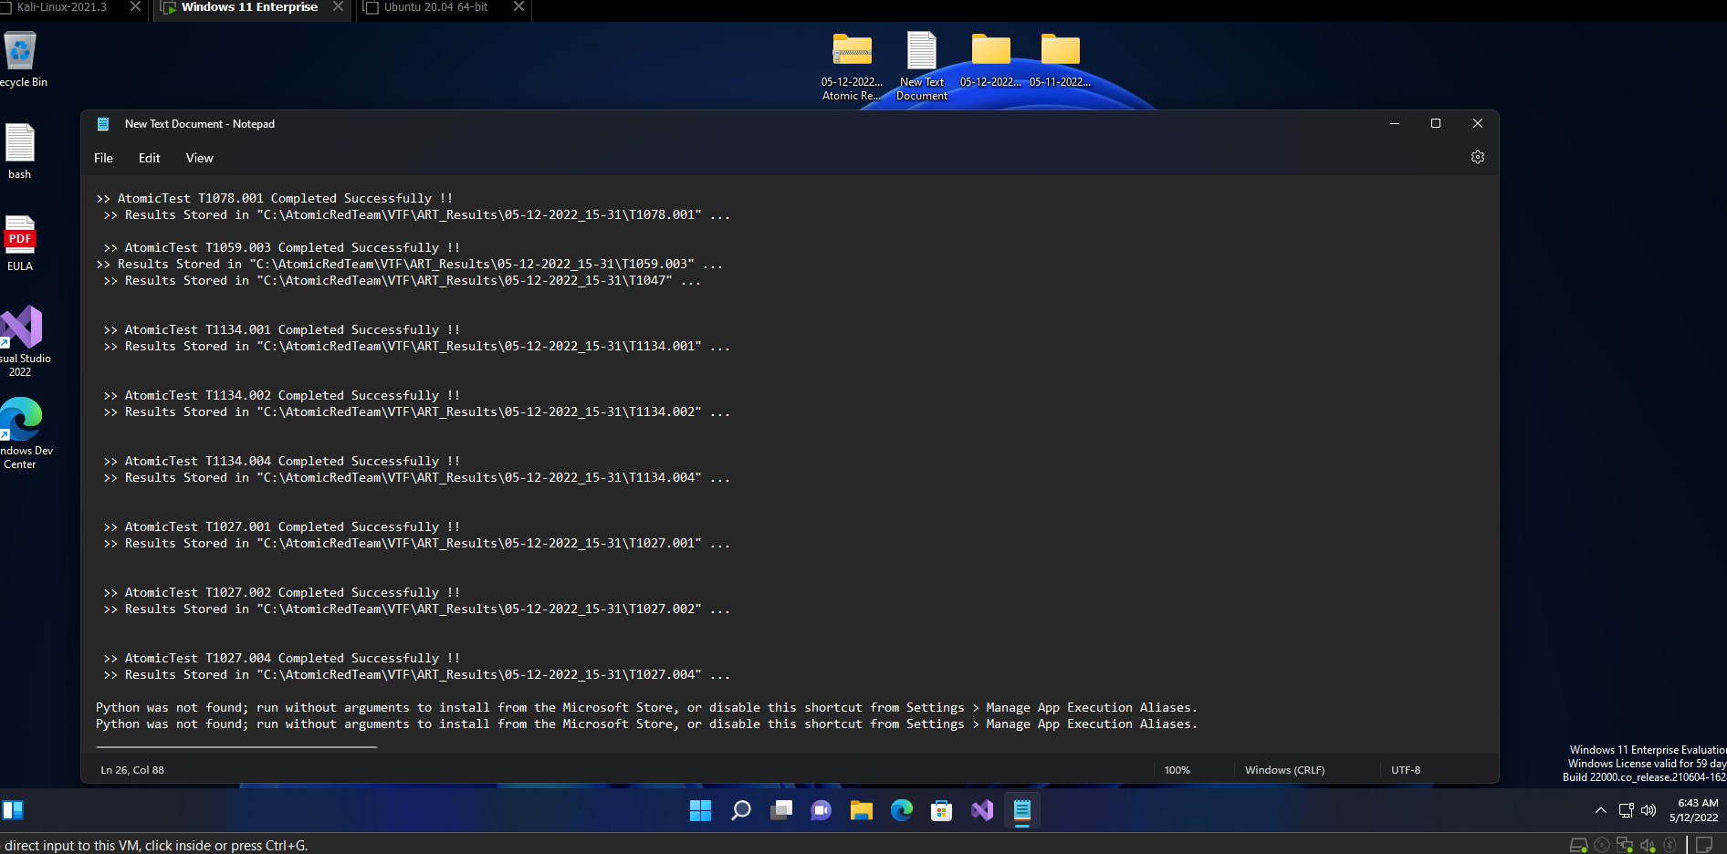
 |  | T1078.001-2 | Activate Guest Account [windows] | Y
Privilege Escalation | Local Accounts | T1078.003-1 | Create local account with admin privileges [windows] | Y
Execution | PowerShell | T1059.001-1 | Mimikatz [windows] | Y
 |  | T1059.001-2 | Run BloodHound from local disk [windows] | Y
 |  | T1059.001-3 | Run Bloodhound from Memory using Download Cradle [windows] | Y
 |  | T1059.001-4 | Obfuscation Tests [windows] | Y
 |  | T1059.001-5 | Mimikatz - Cradlecraft PsSendKeys [windows] | Y
 |  | T1059.001-6 | Invoke-AppPathBypass [windows] | Y
 |  | T1059.001-7 | Powershell MsXml COM object - with prompt [windows] | Y
 |  | T1059.001-8 | Powershell XML requests [windows] | Y
 |  | T1059.001-9 | Powershell invoke mshta.exe download [windows] | Y
 |  | T1059.001-10 | Powershell Invoke-DownloadCradle [windows] | Y
 |  | T1059.001-11 | PowerShell Fileless Script Execution [windows] | Y
 |  | T1059.001-12 | PowerShell Downgrade Attack [windows] | Y
 |  | T1059.001-13 | NTFS Alternate Data Stream Access [windows] | Y
 |  | T1059.001-14 | PowerShell Session Creation and Use [windows] | Y
 |  | T1059.001-15 | ATHPowerShellCommandLineParameter -Command parameter variations [windows] | Y
 |  | T1059.001-16 | ATHPowerShellCommandLineParameter -Command parameter variations with encoded arguments [windows] | Y
 |  | T1059.001-17 | ATHPowerShellCommandLineParameter -EncodedCommand parameter variations [windows] | Y
 |  | T1059.001-18 | ATHPowerShellCommandLineParameter -EncodedCommand parameter variations with encoded arguments [windows] | Y
 |  | T1059.001-19 | PowerShell Command Execution [windows] | Y
 |  | T1059.001-20 | PowerShell Invoke Known Malicious Cmdlets [windows] | Y
 |  | T1059.001-21 | PowerUp Invoke-AllChecks [windows] | Y |  | 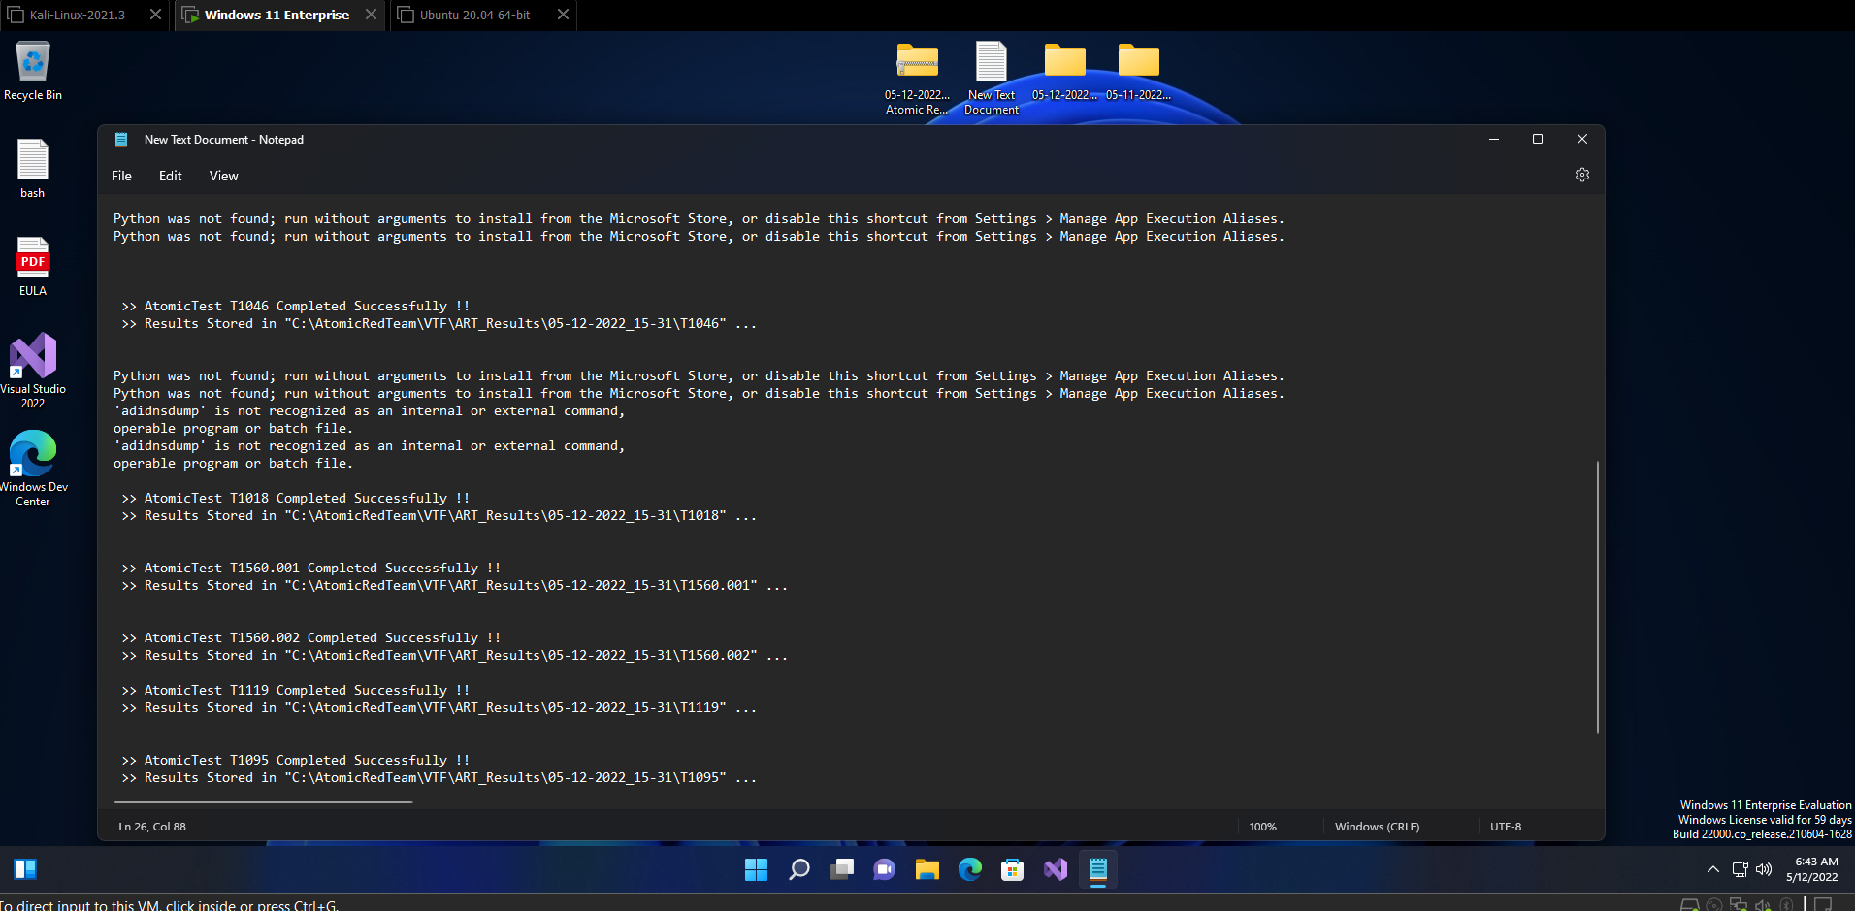
Execution | Windows Command Shell | T1059.003-1 | Create and Execute Batch Script [windows] | Y
 |  | T1059.003-2 | Writes text to a file and displays it. [windows] | Y
 |  | T1059.003-3 | Suspicious Execution via Windows Command Shell [windows] | Y
 |  | T1059.003-4 | Simulate BlackByte Ransomware Print Bombing [windows] | N
Execution | Windows Management Instrumentation | T1047-1 | WMI Reconnaissance Users [windows] | Y
 |  | T1047-2 | WMI Reconnaissance Processes [windows] | Y
 |  | T1047-3 | WMI Reconnaissance Software [windows] | N
 |  | T1047-4 | WMI Reconnaissance List Remote Services [windows] | N
 |  | T1047-5 | WMI Execute Local Process [windows] | N
 |  | T1047-6 | WMI Execute Remote Process [windows] | N
 |  | T1047-7 | Create a Process using WMI Query and an Encoded Command [windows] | Y
 |  | T1047-8 | Create a Process using obfuscated Win32_Process [windows] | Y
 |  | T1047-9 | AWMI Execute rundll32 [windows] | Y
 |  | T1047-10 | Application uninstall using WMIC [windows] | Y
Credential Access | OS Credential Dumping | T1003-1 | Gsecdump [windows] | Y
 |  | T1003-2 | Credential Dumping with NPPSpy [windows] | Y
 |  | T1003-3 | Dump svchost.exe to gather RDP credentials [windows] | Y
Credential Access | LSASS Memory | T1003.001-1 | Dump LSASS.exe Memory using ProcDump [windows] | Y
 |  | T1003.001-2 | Dump LSASS.exe Memory using comsvcs.dll [windows] | Y
 |  | T1003.001-3 | Dump LSASS.exe Memory using direct system calls and API unhooking [windows] | Y
 |  | T1003.001-4 | Dump LSASS.exe Memory using NanoDump [windows] | Y
 |  | T1003.001-5 | Dump LSASS.exe Memory using Windows Task Manager [windows] | Y
 |  | T1003.001-6 | Offline Credential Theft With Mimikatz [windows] | Y
 |  | T1003.001-7 | LSASS read with pypykatz [windows] | Y |  | Invoke-Atomic Alll Log Screenshot (the last test crashed the VM Hypervisor)
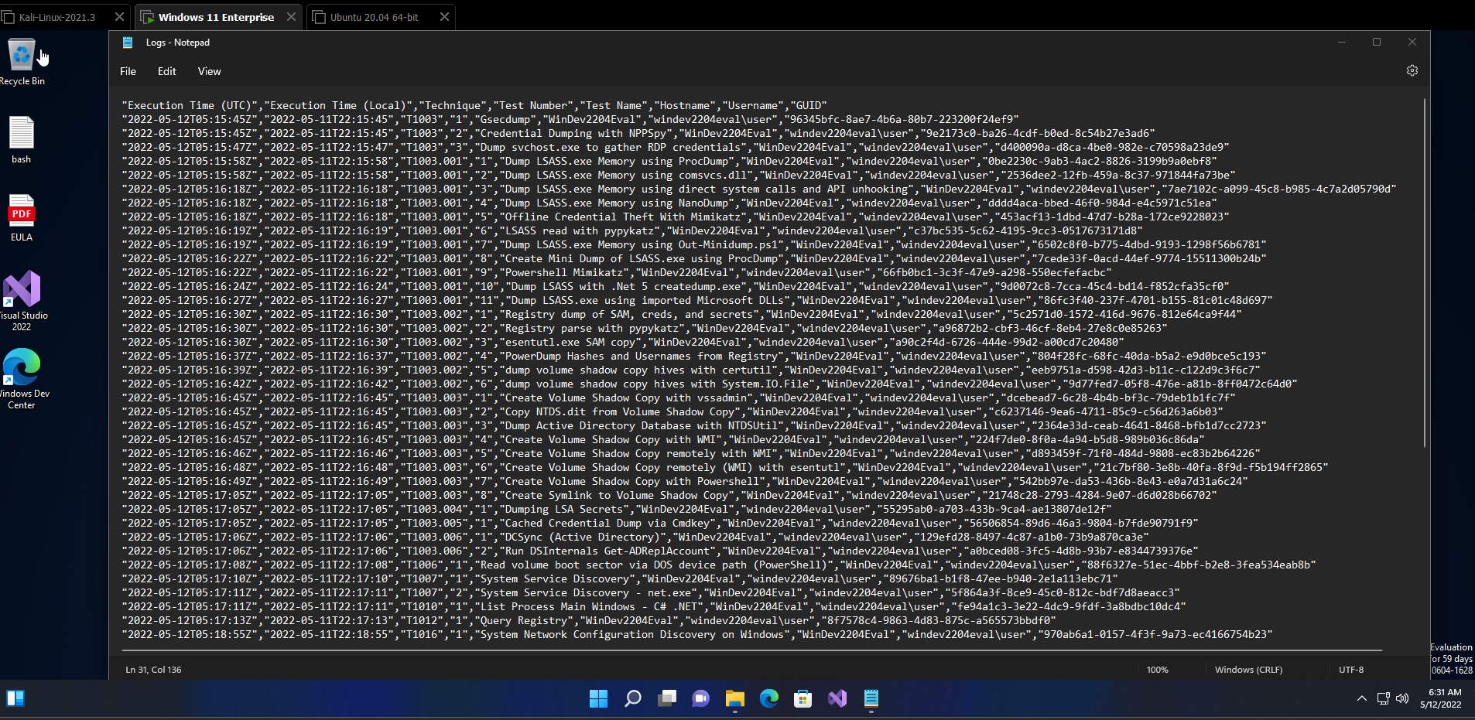
 |  | T1003.001-8 | Dump LSASS.exe Memory using Out-Minidump.ps1 [windows] | Y
 |  | T1003.001-9 | Create Mini Dump of LSASS.exe using ProcDump [windows] | Y
 |  | T1003.001-10 | Powershell Mimikatz [windows] | Y
 |  | T1003.001-11 | Dump LSASS with .Net 5 createdump.exe [windows] | Y
 |  | T1003.001-12 | Dump LSASS.exe using imported Microsoft DLLs [windows] | Y
Credential Access | Security Account Manager | T1003.002-1 | Registry dump of SAM, creds, and secrets [windows] | Y
 |  | T1003.002-2 | Registry parse with pypykatz [windows] | Y
 |  | T1003.002-3 | esentutl.exe SAM copy [windows] | Y
 |  | T1003.002-4 | PowerDump Hashes and Usernames from Registry [windows] | Y
 |  | T1003.002-5 | dump volume shadow copy hives with certutil [windows] | Y
 |  | T1003.002-6 | dump volume shadow copy hives with System.IO.File [windows] | Y
Credential Access | NTDS | T1003.003-1 | Create Volume Shadow Copy with vssadmin [windows] | Y
 |  | T1003.003-2 | Copy NTDS.dit from Volume Shadow Copy [windows] | Y
 |  | T1003.003-3 | Dump Active Directory Database with NTDSUtil [windows] | Y
 |  | T1003.003-4 | Create Volume Shadow Copy with WMI [windows] | Y
 |  | T1003.003-5 | Create Volume Shadow Copy remotely with WMI [windows] | Y
 |  | T1003.003-6 | Create Volume Shadow Copy remotely (WMI) with esentutl [windows] | Y
 |  | T1003.003-7 | Create Volume Shadow Copy with Powershell [windows] | Y
 |  | T1003.003-8 | Create Symlink to Volume Shadow Copy [windows] | Y
Credential Access | LSA Secrets | T1003.004 | Dumping LSA Secrets [windows] | Y
Credential Access | Cached Domain Credentials | T1003.005 | Cached Credential Dump via Cmdkey [windows] | Y
Credential Access | DCSync | T1003.006-1 | DCSync (Active Directory) [windows] | Y
 |  | T1003.006-2 | Run DSInternals Get-ADReplAccount [windows] | Y
Defense Evasion | Direct Volume Access | T1006 | Read volume boot sector via DOS device path (PowerShell) [windows] | Y
Discovery | System Service Discovery | T1007-1 | System Service Discovery [windows] | Y
 |  | T1007-2 | System Service Discovery - net.exe [windows | Y
Discovery | Application Window Discovery | T1010 | List Process Main Windows - C# .NET [windows] | Y |  | 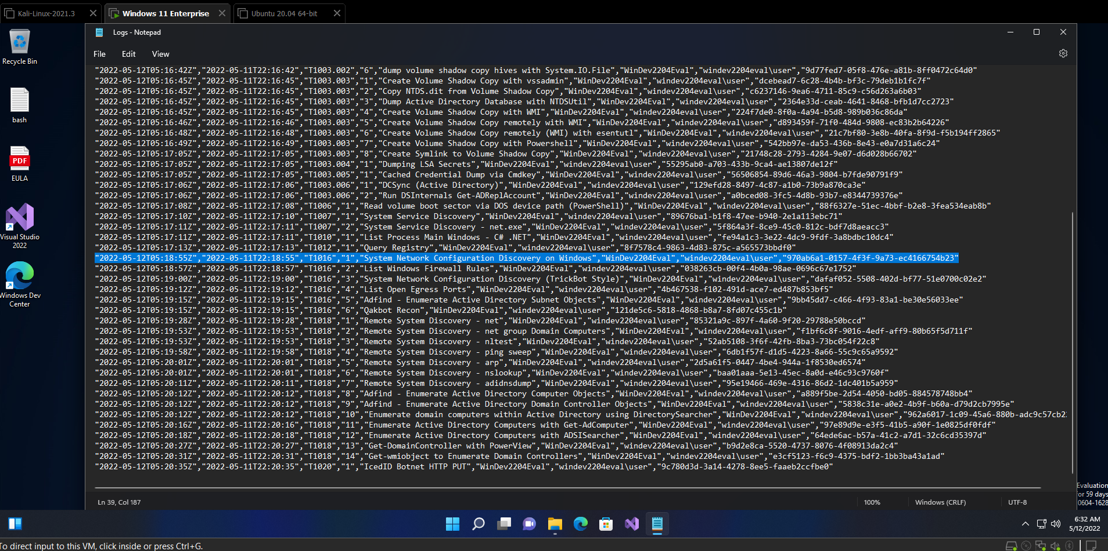
Discovery | Query Registry | T1012 | Query Registry [windows] | Y
Discovery | System Network Configuration Discovery | T1016-1 | System Network Configuration Discovery on Windows [windows] | Y
 |  | T1016-2 | List Windows Firewall Rules [windows] | Y
 |  | T1016-3 | System Network Configuration Discovery (TrickBot Style) [windows] | Y
 |  | T1016-4 | List Open Egress Ports [windows] | Y
 |  | T1016-5 | Adfind - Enumerate Active Directory Subnet Objects [windows] | Y
 |  | T1016-6 | Qakbot Recon [windows] | Y
Discovery | Remote System Discovery | T1018-1 | Remote System Discovery - net [windows] | Y
 |  | T1018-2 | Remote System Discovery - net group Domain Computers [windows] | Y
 |  | T1018-3 | Remote System Discovery - nltest [windows] | N
 |  | T1018-4 | Remote System Discovery - ping sweep [windows] | Y
 |  | T1018-5 | Remote System Discovery - arp [windows] | Y
 |  | T1018-6 | Remote System Discovery - nslookup [windows] | Y
 |  | T1018-7 | Remote System Discovery - adidnsdump [windows] | N
 |  | T1018-8 | Adfind - Enumerate Active Directory Computer Objects [windows] | Y
 |  | T1018-9 | Adfind - Enumerate Active Directory Domain Controller Objects [windows] | Y
 |  | T1018-10 | Enumerate domain computers within Active Directory using DirectorySearcher [windows] | N
 |  | T1018-11 | Enumerate Active Directory Computers with Get-AdComputer [windows] | Y
 |  | T1018-12 | Enumerate Active Directory Computers with ADSISearcher [windows] | N
 |  | T1018-13 | Get-DomainController with PowerView [windows] | N
 |  | T1018-14 | Get-wmiobject to Enumerate Domain Controllers [windows] | N
Exfiltration | Automated Exfiltration | T1020 | IcedID Botnet HTTP PUT [windows] | Y
Privilege Escalation | Token Impersonation/Theft | T1134.001-1 | Named pipe client impersonation [windows] | Y
 |  | T1134.001-2 | SeDebugPrivilege token duplication [windows] | Y
Privilege Escalation | Create Process with Token | T1134.002 | Access Token Manipulation [windows] | Y
Defense Evasion | Parent PID Spoofing | T1134.004 -1 | Parent PID Spoofing using PowerShell [windows] | Y
 |  | T1134.004 -2 | Parent PID Spoofing - Spawn from Current Process [windows] | Y
 |  | T1134.004 -3 | Parent PID Spoofing - Spawn from Specified Process [windows] | Y
 |  | T1134.004 -4 | Parent PID Spoofing - Spawn from svchost.exe [windows] | Y
 |  | T1134.004 -5 | Parent PID Spoofing - Spawn from New Process [windows] | Y
Defense Evasion | Obfuscated Files or Information | T1027-1 | Execute base64-encoded PowerShell [windows] | Y
 |  | T1027-2 | Execute base64-encoded PowerShell from Windows Registry [windows] | Y
 |  | T1027-3 | Execution from Compressed File [windows] | Y
 |  | T1027-4 | DLP Evasion via Sensitive Data in VBA Macro over email [windows] | N
 |  | T1027-5 | DLP Evasion via Sensitive Data in VBA Macro over HTTP [windows] | N
 |  | T1027-6 | Obfuscated Command in PowerShell [windows] | Y
 |  | T1027-7 | Obfuscated Command Line using special Unicode characters [windows] | Y
Defense Evasion | Compile After Delivery | T1027.004-1 | Compile After Delivery using csc.exe [windows] | N
 |  | T1027.004-2 | Dynamic C# Compile [windows] | N
Discovery | Network Service Scanning | T1046-1 | Port Scan NMap for Windows [windows] | Y
 |  | T1046-2 | Port Scan using python [windows] | Y
 |  | T1046-3 | WinPwn - spoolvulnscan [windows] | Y
 |  | T1046-4 | WinPwn - MS17-10 [windows] | Y
 |  | T1046-5 | WinPwn - bluekeep [windows] | Y
 |  | T1046-6 | WinPwn - fruit [windows] | Y
Collection | Archive via Utility | T1560.001-1 | Compress Data for Exfiltration With Rar [windows] | Y
 |  | T1560.001-2 | Compress Data and lock with password for Exfiltration with winrar [windows] | Y
 |  | T1560.001-3 | Compress Data and lock with password for Exfiltration with winzip [windows] | Y
 |  | T1560.001-4 | Compress Data and lock with password for Exfiltration with 7zip [windows] | Y
Collection | Automated Collection | T1119-1 | Automated Collection Command Prompt [windows] | Y
 |  | T1119-2 | Automated Collection PowerShell [windows] | Y
 |  | T1119-3 | Recon information for export with PowerShell [windows] | Y
 |  | T1119-4 | Recon information for export with Command Prompt [windows] | Y
Command and Control | Non-Application Layer Protocol | T1095-1 | ICMP C2 [windows] | Y
 |  | T1095-2 | Netcat C2 [windows] | Y
 |  | T1095-3 | Powercat C2 [windows] | Y

